Sheet1
PROJECT NAME :- TOWER -1 - Nivan Sky Gardens
Important notes regarding the project |  |  | Screenshots of critical features / grooves / fins
General notes |  |  | 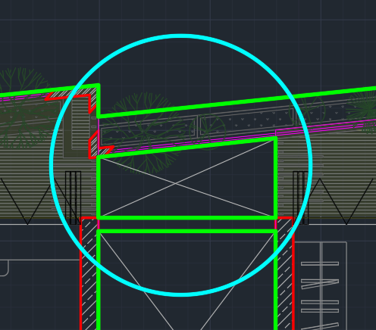 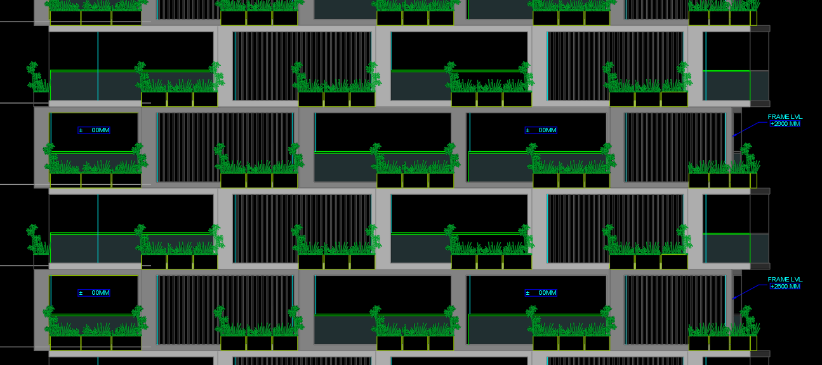
S.no. | Point | Remark
1 | Slab thickness | 135,150,200 MM
2 | Dimensions -Even/Odd | EVEN
3 | Floor to floor height | 3300 MM
4 | Wall thickness | 75, 100,150 ,200 MM
5 | Walls Considered in RCC - Only External/ All walls / columns only | ALL WALLS
6 | Refuge / Double / triple hight floor / pent house / entrance lobby | ONLY ODD & EVEN TYPICAL FLOOR CONSIDERED IN AREA & DESIGN IMPACT
Commercial impact related notes
7 | Walers/tie rod required- Yes/No | NO
8 | Special panel required - Yes/No | YES
9 | Grooves - Elevations and Window sills - Yes/No | NO
Design related notes
10 | Floor changes - how many floors to be designed | 2 FLOORS

